Sheet1
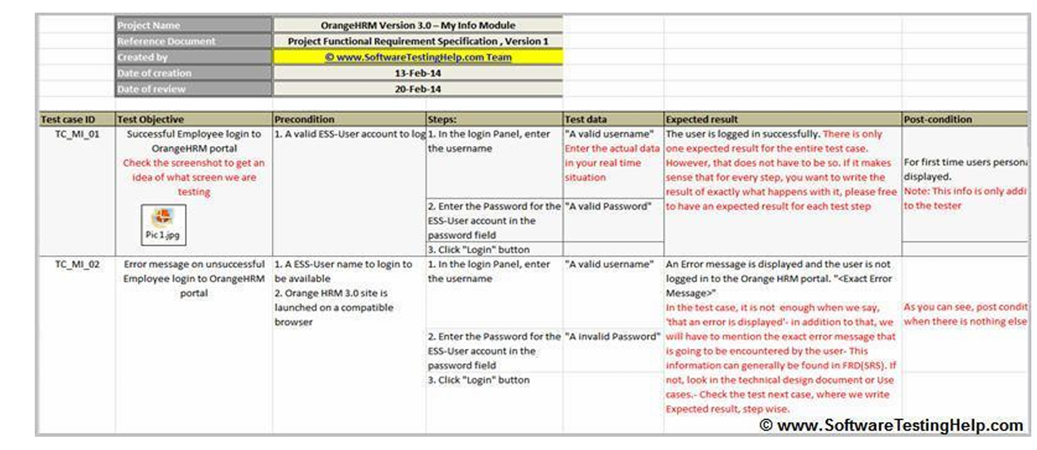
 | Product Name | Food Panda - Restaurant Search Module |  |  |  |  |  | Product Name | Food Panda - Filter Module |  |  |  |  |  | Product Name | Food Panda - Cart Module
 | Reference Document | Project's Functional Requirement Specification |  |  |  |  |  | Reference Document | Project's Functional Requirement Specification |  |  |  |  |  | Reference Document | Project's Functional Requirement Specification
 | Created By | Arbab Hussain - 22SW028 |  |  |  |  |  | Created By | Arbab Hussain - 22SW028 |  |  |  |  |  | Created By | Arbab Hussain - 22SW028
 | Date of Creation | 2025-02-14 |  |  |  |  |  | Date of Creation | 2025-02-14 |  |  |  |  |  | Date of Creation | 2025-02-14
 | Date of Review | 2025-02-15 |  |  |  |  |  | Date of Review | 2025-02-15 |  |  |  |  |  | Date of Review | 2025-02-15

Test case ID | Test Objective | Precondition | Steps | Test Data | Expected Result | Post condition | Test case ID | Test Objective | Precondition | Steps | Test Data | Expected Result | Post condition | Test case ID | Test Objective | Precondition | Steps | Test Data | Expected Result | Post condition
TC - FP001 | Successful restaurant search on Foodpanda SCREENSHOT ATTACHED ABOVE | 1. Food Panda's Website launched on a compatible browser 2. Enter Location or Postal Code 3. Click on Find | 1. In the browser, type foodpanda.com | "A Valid Restaurant Name" | The restaurants page will open displaying possible search results related to the restaurant's name. | User can access his searched restaurant and open it to see available menu items | TC - FP003 | Successful Restaurant's Filtering Feature SCREENSHOT ATTACHED ABOVE | 1. Food Panda's Website launched on a compatible browser 2. Valid Location 3. An account logged in | 1. In the browser, type foodpanda.com | Filter Selection | "Valid location", "Discount filter applied" and results updated accordingly | Only restaurants offering discounts and promotions were displayed. | TC - FP005 | Successful addition of items to the cart SCREENSHOT ATTACHED ABOVE | 1. Food Panda's Website Launched on a compatible browser. 2. A Valid User Account Logged In 3. Restaurant's Page Open | 1. Open Food Panda's Website | User Account | The selected item and quantity should be added to the user's cart | Items added to cart successfully and users can checkout with their order
 |  |  | 2. Enter a Restaurant Name |  |  |  |  |  |  | 2. Enter a Valid Location |  |  |  |  |  |  | 2. Login | Multiple Available Items
 |  |  | 3. Hit Enter |  |  | Status: PASSED |  |  |  | 3. Hit on the filters section |  |  | Status: PASSED |  |  |  | 3. Search Food |  |  | Status: PASSED
TC - FP002 | Unsuccessful Restaurant Search | 1. Food Panda's Website launched on a compatible browser 2. Enter Location or Postal Code 3. Click on Find | 1. In the browser, type foodpanda.com | "A invalid Restaurant Name" | An Error Message is displayed saying, that's not on the menu yet with some trending search suggestions | User can click on suggested searh results to search valid restaurants | TC - FP004 | Unsuccessful Restaurant's Filtering Feature | 1. Food Panda's Website launched on a compatible browser 2. Valid Location 3. An account logged in | 1. In the browser, type foodpanda.com 2. Enter a Valid Location 3. Hit Filters Button | Filters Selected | A Message saying "No Restaurants match the selected criteria" | As Expected, The error message is displayed and user can select other filters to get results | TC - FP006 | Unsuccessful cart update due to out-of-stock item | 1. Food Panda's Website Launched on a compatible browser. 2. A Valid User Account Logged In 3. Restaurant's Page Open | 1. Open Food Panda's Website 2. Login 3. Search Food | User Account Out-Of-Stock Items | The Add to Cart button greys out showing that item is not available | As expected, the feature stops user from adding such item, s/he can add it to wishlist and be notified when it's available

